Fillinable
MASTER MY MACROS - FILLINABLE |  |  |  |  |  | JUST FILL IN THE THREE BLUE SQUARES!

LBM | weight (kg) | Body fat % | Not fat % | calc | LBM | Lean Body Mass |  | Your bodyweight LESS the fat
Kim | 66 | 18 | 82 | 5412 | 54.1 | Weight in kgs from your scale
Louise | 66 | 32 | 68 | 4488 | 44.9 | Body Fat % from the photo + 2% for visceral (internal) fat
You |  |  | 100 | 0 | 0.0 | LBM: weight x (100 - BF) / 100

BMR | 370 + (21.6 x LBM) |  | LBM | CALORIES |  | Basal Metabolic Rate
Kim | 370 | 21.6 | 54.1 | 1539 |  | This is how much is like your essential systems (about 60%)
Louise | 370 | 21.6 | 44.9 | 1339 |  | BMR: 370 + (21.6 x LBM)
You | 370 | 21.6 | 0.0 | 370

TDEE | BMR x Activity |  | CALORIES | 10% | 15% | Total Daily Energy Expenditure
Kim | 1539 | 1.375 | 2116 | 1905 | 1619 | How many calories you need to sustain your body weight
Louise | 1339 | 1.300 | 1741 | 1567 | 1332 | Reduce to lose fat. Increase to increase fat (or build muscle)
You | 370 |  | 0 | 0 | 0 | TDEE: BMR X Activity
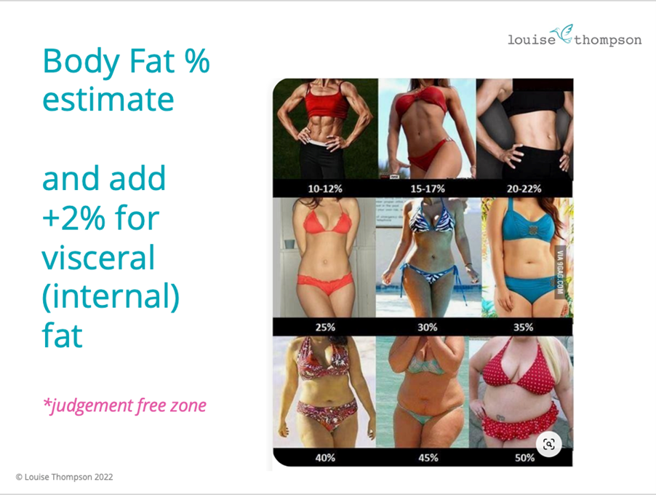
 |  |  |  |  |  | TDEE
 |  |  |  |  |  | Sedentary | (little or no exercise) |  | 1.000
 |  |  |  |  |  | Light Active (1-3 days/week) |  |  | 1.200
 |  |  |  |  |  | Moderate Active (6-7 days /week) |  |  | 1.375
 |  |  |  |  |  | Very Active (hard exercise 6/7 days) |  |  | 1.550
 |  |  |  |  |  | Extra Active (exercise + physical job) |  |  | 1.725

